Module 7
Main

 | Class Notes
 | Nonc current assets held for sale and discontinued operations
 | IFRS 5
 | read through 7.3 presentation and disclosure for homework

 | Activity 1
 | Stewart
 | YE | 2023-12-31

 | cost |  | 120,000,000
 | AD |  | 45,000,000
 | depr charge for year | 11/180 | 7,333,333 | <<<<remember the depr charge from date held for sale and year end date.
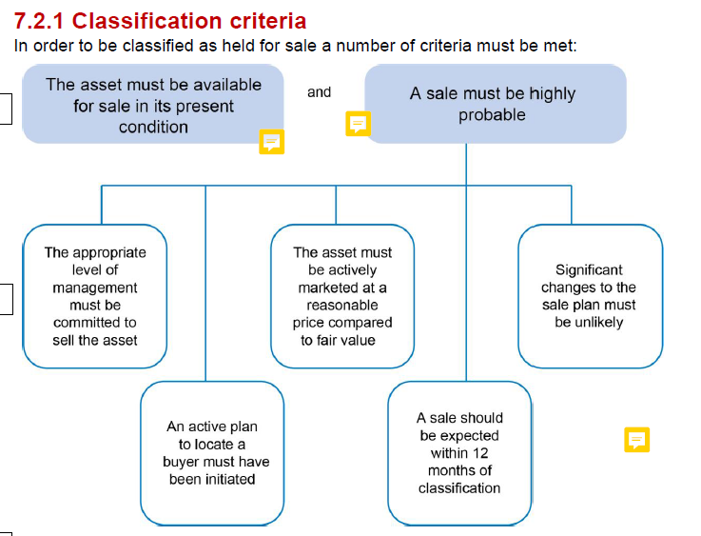
 | carrying amounr | 2023-01-01 | 67,666,667
 | depr |  | 15 | years SL
 | FV | 2023-12-01 | 65,000,000
 | selling costs | 2023-12-01 | -2,100,000
 |  |  | 62,900,000

 | held at lower of NBV and FVLCTS |  | 62,900,000

 | dr - SPL impairment loss |  |  | 4,766,667
 | dr - NCA held for sale |  |  | 62,900,000
 | dr - Fleet AD |  |  | 52,333,333
 |  | cr - Fleet cost |  |  | 120,000,000
 | being classification to NCA assets held for sale.

 | 2024-12-31
 | FV |  | 69,000,000
 | Selling cost |  | -2,200,000
 | FVLCTS | 2024-12-31 | 66,800,000
 | FVLCTS | 2023-12-31 | 62,900,000
 | reverse impairment |  | 3,900,000

 | dr - NCAHFS |  |  | 3,900,000 |  | <<<reversal goes aginst NCAHFS
 |  | cr - SPL reversal of impairment |  |  | 3,900,000
 | being reversal of impairment loss on NCAHFS

 | 2025-03-31
 | FV |  | 71,000,000
 | LCTS |  | -2,400,000
 | FVLCTS | 2025-03-31 | 68,600,000
 | CA |  | 66,800,000
 | Gain on disposal |  | 1,800,000

 | dr - Bank |  |  | 68,600,000
 |  | cr - NCAHFS |  |  | 66,800,000
 |  | cr - SPL gain on disposal |  |  | 1,800,000
 | being gain on disposal of NCAHFS

